Cover Sheet
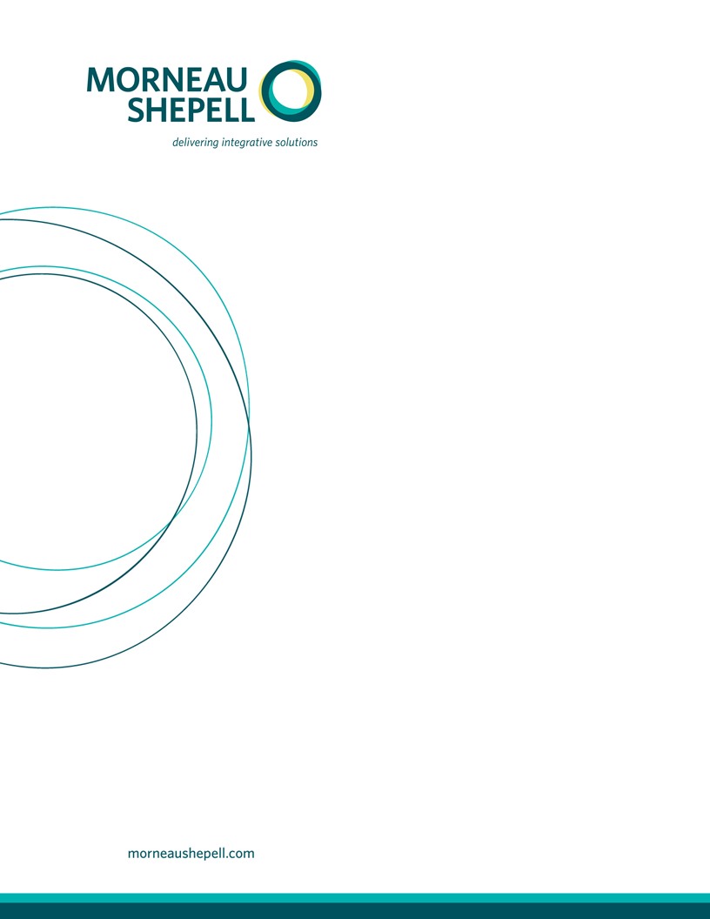

HEALTHCARE OF ONTARIO PENSION PLAN

DEFINED BENEFIT PENSION ADMINISTRATION
Implementation Workbook
CHAPTER 7 - PART 2.3 - Ongoing Data Interface
Events Interface Specifications
VERSION 12.0
Last Modified on October 18, 2018

